Classification
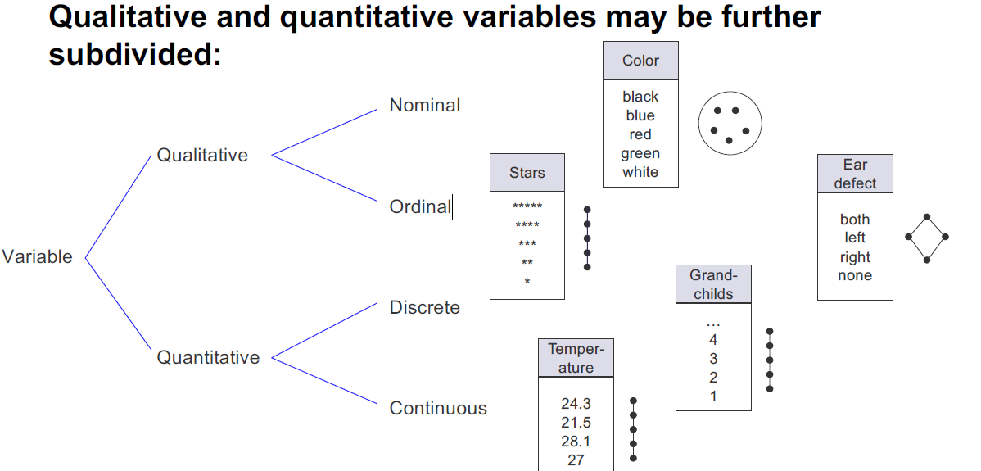
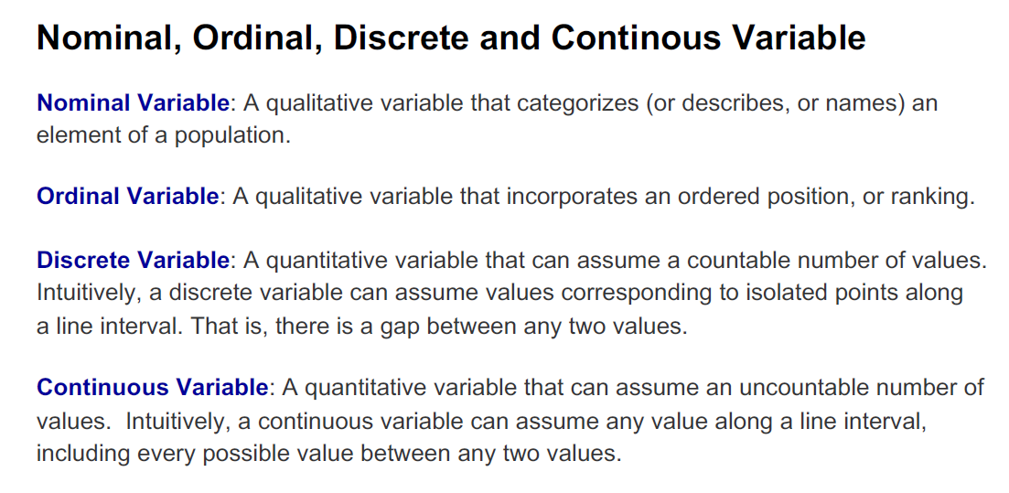
Abbreviation | Description | Variable Category | NA Description | Comment | R Code | Collinear | Responsible
"" | Maybe Row Number | Quantitative Continuous |  |  |  |  | Kevin
id | ID | Quantitative Continuous | no NA values | just some id, irrelevant |  |  | Kevin
member_id | Member ID | Quantitative Continuous | no NA values | just some id, irrelevant |  |  | Kevin
loan_amnt | The listed amount of the loan applied for by the borrower. If at some point in time, the credit department reduces the loan amount, then it will be reflected in this value. | Quantitative Continuous | no NA values | right skewed |  |  | Kevin
funded_amnt | The total amount committed to that loan at that point in time. | Quantitative Continuous | no NA values | right skewed/ predictor? |  | funded_amnt | Kevin
funded_amnt_inv | The total amount committed by investors for that loan at that point in time. | Quantitative Continuous | no NA values | right skewed |  | funded_amnt | Kevin
term | The number of payments on the loan. Values are in months and can be either 36 or 60. | Quantitative Discrete | no NA values | 36 or 60 monts |  |  | Kevin
int_rate | Interest Rate on the loan | Quantitative Continuous | no NA values | predictor |  |  | Kevin
installment | The monthly payment owed by the borrower if the loan originates. | Quantitative Continuous | no NA values | calculated from loan, term and int_rate |  |  | Kevin
grade | LC assigned loan grade | Qualitative Ordinal | no NA values | Letter |  |  | Kevin
sub_grade | LC assigned loan subgrade | Qualitative Ordinal | no NA values | Letter and Number (e.g. A1) |  | grade | Kevin
emp_title | The job title supplied by the Borrower when applying for the loan.* | Qualitative Nominal | 46354 empty strings |  |  |  | Kevin
emp_length | Employment length in years. Possible values are between 0 and 10 where 0 means less than one year and 10 means ten or more years. | Quantitative Discrete | 40363 empty string |  |  |  | Kevin
home_ownership | The home ownership status provided by the borrower during registration or obtained from the credit report. Our values are: RENT, OWN, MORTGAGE, OTHER | Qualitative Nominal | no NA values |  |  |  | Kevin
annual_inc | The self-reported annual income provided by the borrower during registration. | Quantitative Continuous | 4 NA values | outliers? |  |  | Kevin
verification_status | Indicates if income was verified by LC, not verified, or if the income source was verified | Qualitative Nominal | no NA values |  |  |  | Kevin
issue_d | The month which the loan was funded | Qualitative Ordinal | no NA values | date |  |  | Kevin
loan_status | Current status of the loan | Qualitative Nominal | no NA values |  |  |  | Kevin
pymnt_plan | Indicates if a payment plan has been put in place for the loan | Qualitative Nominal | only 7 values |  |  |  | Kevin
url | Url to Website | Qualitative Nominal | no NA values |  |  |  | Kyle
desc | Loan description provided by the borrower | Qualitative Nominal | no NA values |  |  |  | Kyle
purpose | A category provided by the borrower for the loan request. | Qualitative Ordinal | no NA values |  |  |  | Kyle
title | The loan title provided by the borrower | Qualitative Nominal | no NA values |  |  |  | Kyle
zip_code | The first 3 numbers of the zip code provided by the borrower in the loan application. | Qualitative Nominal | no NA values |  |  |  | Kyle
addr_state | The state provided by the borrower in the loan application | Qualitative Nominal | no NA values |  |  |  | Kyle
dti | A ratio calculated using the borrower’s total monthly debt payments on the total debt obligations, excluding mortgage and the requested LC loan, divided by the borrower’s self-reported monthly income. | Quantitative Continuous | no NA values |  |  |  | Kyle
delinq_2yrs | The number of 30+ days past-due incidences of delinquency in the borrower's credit file for the past 2 years | Qualitative Nominal | 25 NA values |  |  |  | Kyle
earliest_cr_line | The month the borrower's earliest reported credit line was opened | Qualitative Nominal | no NA values |  |  |  | Kyle
inq_last_6mths | The number of inquiries in past 6 months (excluding auto and mortgage inquiries) | Quantitative Discrete | 25 NA values |  |  |  | Kyle
mths_since_last_delinq | The number of months since the borrower's last delinquency. | Quantitative Discrete | 409919 NA values | Bins with the size of 10 and binary / NA is the best case |  |  | Kyle
mths_since_last_record | The number of months since the last public record. | Quantitative Discrete | 675190 NA Values |  |  |  | Kyle
open_acc | The number of open credit lines in the borrower's credit file. | Quantitative Discrete | 25 NA values |  |  |  | Kyle
pub_rec | Number of derogatory public records | Quantitative Discrete | 25 NA values |  |  |  | Kyle
revol_bal | Total credit revolving balance | Quantitative Continuous | no NA values |  |  |  | Kyle
revol_util | Revolving line utilization rate, or the amount of credit the borrower is using relative to all available revolving credit. | Quantitative Continuous | 454 NA values |  |  |  | Kyle
total_acc | The total number of credit lines currently in the borrower's credit file | Quantitative Continuous | 25 NA values |  |  |  | Kyle
initial_list_status | The initial listing status of the loan. Possible values are – W, F | Qualitative Nominal | no NA values |  |  |  | Kyle
out_prncp | Remaining outstanding principal for total amount funded | Quantitative Continuous | no NA values | outliers? right skewed |  | out_prncp | Martin
out_prncp_inv | Remaining outstanding principal for portion of total amount funded by investors | Quantitative Continuous | no NA values | outliers? right skewed |  | out_prncp | Martin
total_pymnt | Payments received to date for total amount funded | Quantitative Continuous | no NA values | outliers? right skewed |  | total_pymnt | Martin
total_pymnt_inv | Payments received to date for portion of total amount funded by investors | Quantitative Continuous | no NA values | outliers? right skewed |  | total_pymnt | Martin
total_rec_prncp | Principal received to date | Quantitative Continuous | no NA values | outliers? right skewed |  | total_rec_* | Martin
total_rec_int | Interest received to date | Quantitative Continuous | no NA values | outliers? right skewed |  | total_rec_* | Martin
total_rec_late_fee | Late fees received to date | Quantitative Continuous | no NA values | outliers? extremly right skewed |  | total_rec_* | Martin
recoveries | post charge off gross recovery | Quantitative Continuous | no NA values | outliers? extremly right skewed |  | recoveries | Martin
collection_recovery_fee | post charge off collection fee | Quantitative Continuous | no NA values | outliers? extremly right skewed |  | recoveries | Martin
last_pymnt_d | Last month payment was received | Qualitative Ordinal | 15811 empty Strings | Mon-YYYY (99 levels) - NA = not received yet? |  |  | Martin
last_pymnt_amnt | Last total payment amount received | Quantitative Continuous | no NA values | outliers? extremly right skewed |  |  | Martin
next_pymnt_d | Next scheduled payment date | Qualitative Ordinal | 227661 empty Strings | Mon-YYYY (100 levels) - NA = not defined? |  |  | Martin
last_credit_pull_d | The most recent month LC pulled credit for this loan | Quantitative Continuous | 45 empty Strings | Mon-YYYY (103 levels) - "Other" has to be cleaned |  |  | Martin
collections_12_mths_ex_med | Number of collections in 12 months excluding medical collections | Quantitative Discrete | 126 NA | NA should most probably be converted to 0 |  |  | Martin
mths_since_last_major_derog | Months since most recent 90-day or worse rating | Quantitative Discrete | 599107 NA values | NA should most probably be converted to 0 |  |  | Martin
policy_code | publicly available policy_code=1 new products not publicly available policy_code=2 | Qualitative Nominal | no NA values | Only one value - 1! --> not usable |  |  | Martin
application_type | Indicates whether the loan is an individual application or a joint application with two co-borrowers | Qualitative Nominal | no NA values | Two Factors INDIVIDUAL and JOINT |  | application_type | Martin
annual_inc_joint | The combined self-reported annual income provided by the co-borrowers during registration | Quantitative Continuous | 798181 NA values | only contains values if application type = JOINT |  | application_type | Martin
dti_joint | A ratio calculated using the co-borrowers' total monthly payments on the total debt obligations, excluding mortgages and the requested LC loan, divided by the co-borrowers' combined self-reported monthly income | Quantitative Continuous | 798183 NA values | although it should correlate. the NA ratio is slightly different - maybe wrongly entered data |  | application_type | Martin
verification_status_joint | 3 Values - no descriptoin | Qualitative Nominal | 798181 empty Strings | 4 levels (incl. "") - empty string heavily correlates with application type - only JOINT applications described through this variable |  | application_type | Martin
acc_now_delinq | The number of accounts on which the borrower is now delinquent. | Quantitative Discrete | 25 NA values | Values from 0-14 / Most values 0 (extremly right skewed) |  |  | Philipp
tot_coll_amt | Total collection amounts ever owed | Quantitative Continuous | 63276 NA values | heavy outliers / Most values 0 (extremly right skewed) |  |  | Philipp
tot_cur_bal | Total current balance of all accounts | Quantitative Continuous | 63276 NA values | Many outliers. Right skewed |  |  | Philipp
open_acc_6m | Number of open trades in last 6 months | Quantitative Discrete | 779525 NA values | Values from 0-14 / Most values 0 / Right skewed |  |  | Philipp
open_il_6m | Number of currently active installment trades | Quantitative Discrete | 779525 NA values | Values from 0-32 / Most values 0/Right skewed |  | open_il | Philipp
open_il_12m | Number of installment accounts opened in past 12 months | Quantitative Discrete | 779525 NA values | Values from 0-12 / Most values 0 /Right skewed |  | open_il | Philipp
open_il_24m | Number of installment accounts opened in past 24 months | Quantitative Discrete | 779525 NA values | Values from 0-12 / Most values 0 /Right skewed |  | open_il | Philipp
mths_since_rcnt_il | Months since most recent installment accounts opened | Quantitative Discrete | 780030 NA Values | Many outliers. Right skewed |  |  | Philipp
total_bal_il | Total current balance of all installment accounts | Quantitative Continuous | 779525 NA values | Many outliers. Right skewed |  |  | Philipp
il_util | Ratio of total current balance to high credit/credit limit on all install acct | Quantitative Continuous | 780030 NA Values | NORMAL DISTRIBUTION! ;-) (a bit right skewed) |  |  | Philipp
open_rv_12m | Number of revolving trades opened in past 12 months | Quantitative Discrete | 779525 NA values | Right skewed / not many outliers |  | open_rv | Philipp
open_rv_24m | Number of revolving trades opened in past 24 months | Quantitative Discrete | 779525 NA values | Right skewed / not many outliers |  | open_rv | Philipp
max_bal_bc | Maximum current balance owed on all revolving accounts | Quantitative Continuous | 779525 NA values | Many outliers. Right skewed |  |  | Philipp
all_util | Balance to credit limit on all trades | Quantitative Continuous | 779525 NA values | NORMAL DISTRIBUTION! (few outliers) |  |  | Philipp
total_rev_hi_lim | Total revolving high credit/credit limit | Quantitative Continuous | 63276 NA values | heavy outliers / Most values 0 (extremly right skewed) |  |  | Philipp
inq_fi | Number of personal finance inquiries | Quantitative Discrete | 779525 NA values | Values from 0-16 / Most values 0 / Right skewed |  |  | Philipp
total_cu_tl | Number of finance trades | Quantitative Continuous | 779525 NA values | Values from 0-35 / Most values 0 / Right skewed |  |  | Philipp
inq_last_12m | Number of credit inquiries in past 12 months | Quantitative Continuous | 779525 NA values | Values from 0-35 / Most values 0 / Not to much right skewed |  |  | Philipp

https://www.kaggle.com/farazrahman/lending-club-check-before-you-cheque

